Sheet2
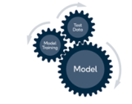

Enter prompts for online shopping

ChatBot response
User Interface
)
Azure logging and Monitoring thorough AppInsight
Input Processing
- Context Creation
- Commet_LLM Initialization for Prompt Logging
Azure OpenAI (GPT3.5 TURBO)
)

Prompt Logging and Performance Monitoring through Commet LLM

